Steps performed and observation
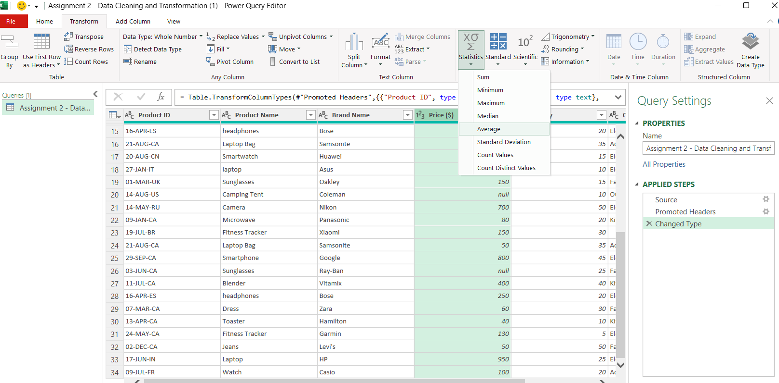
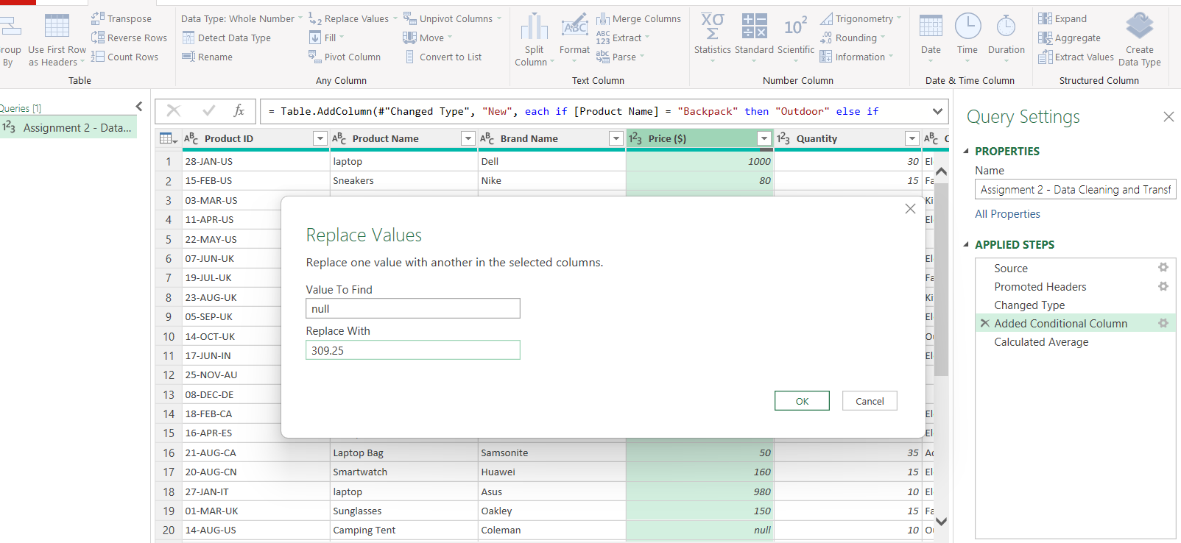
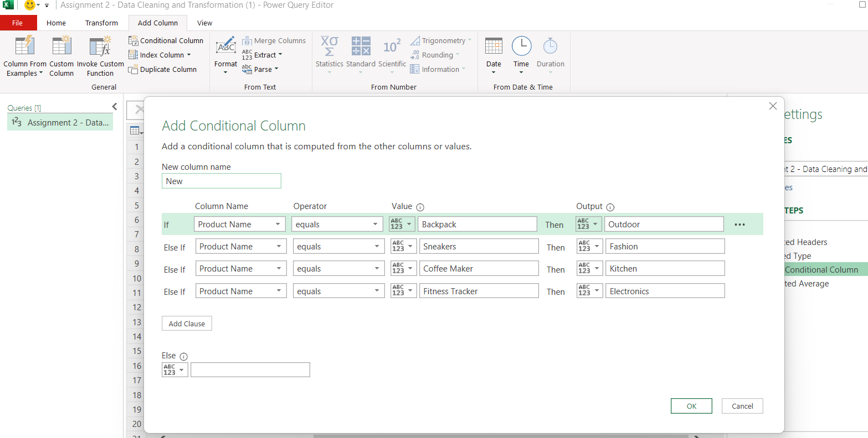
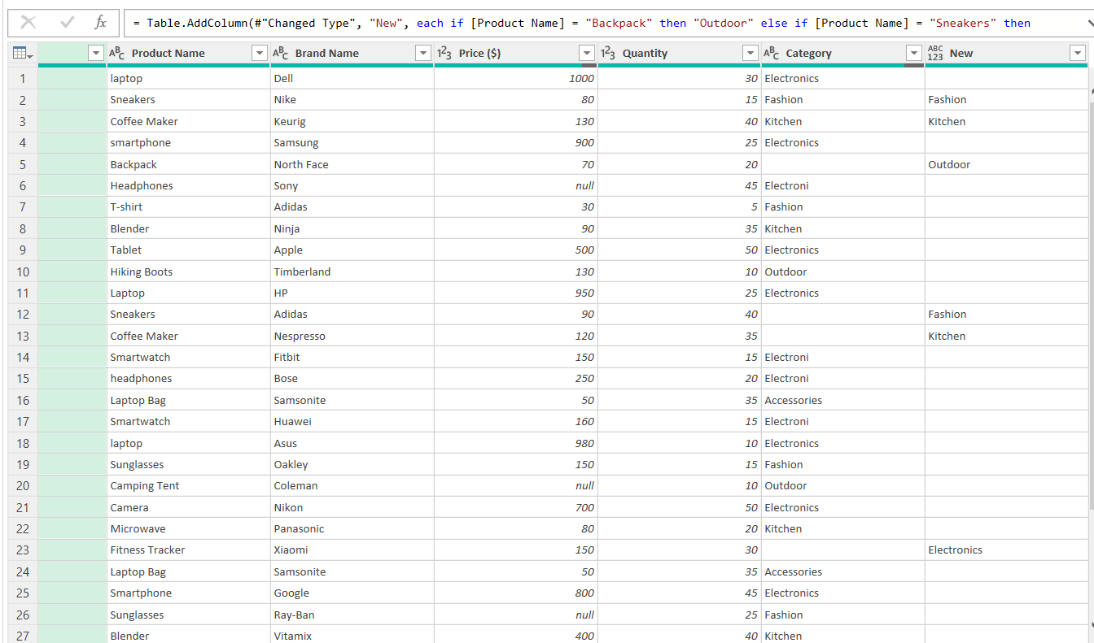
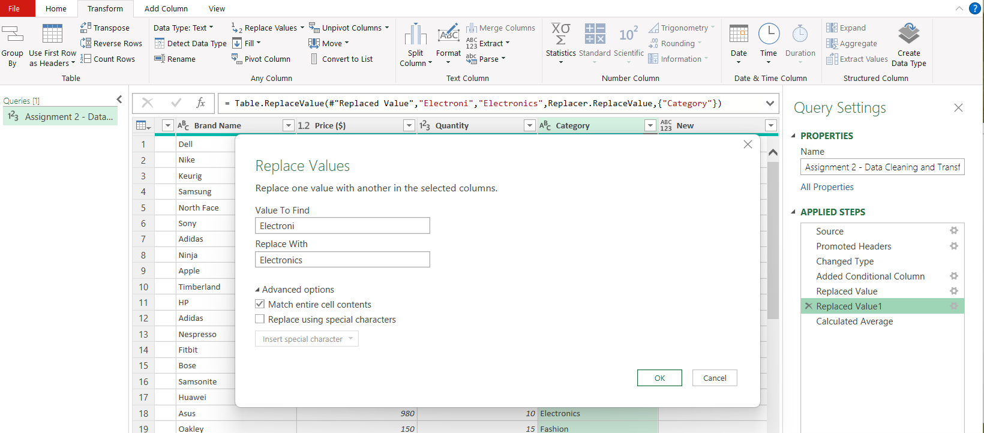
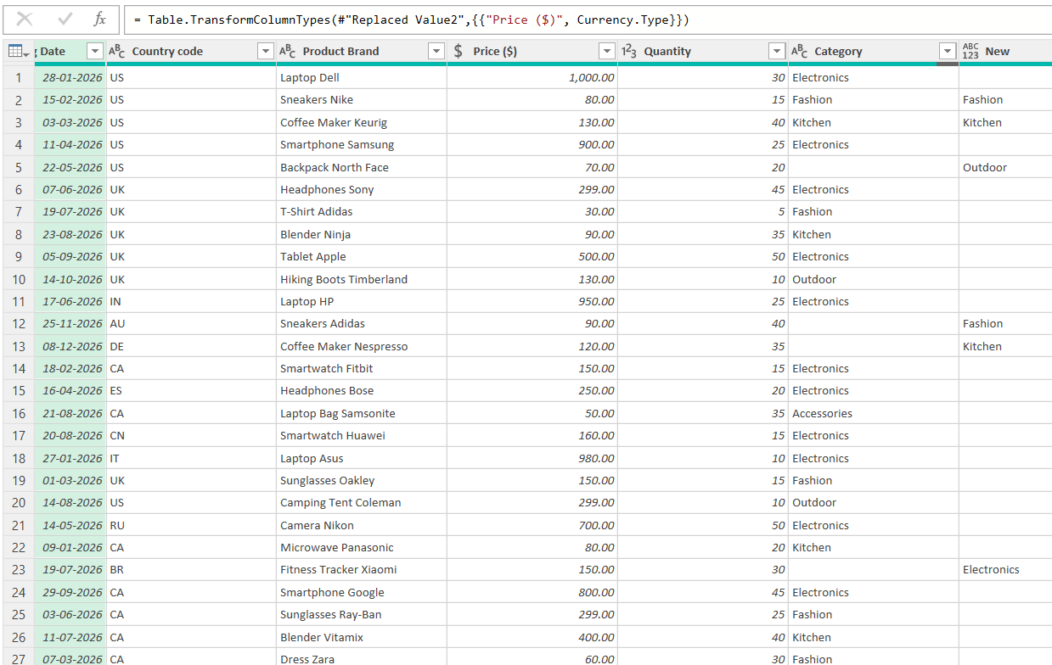
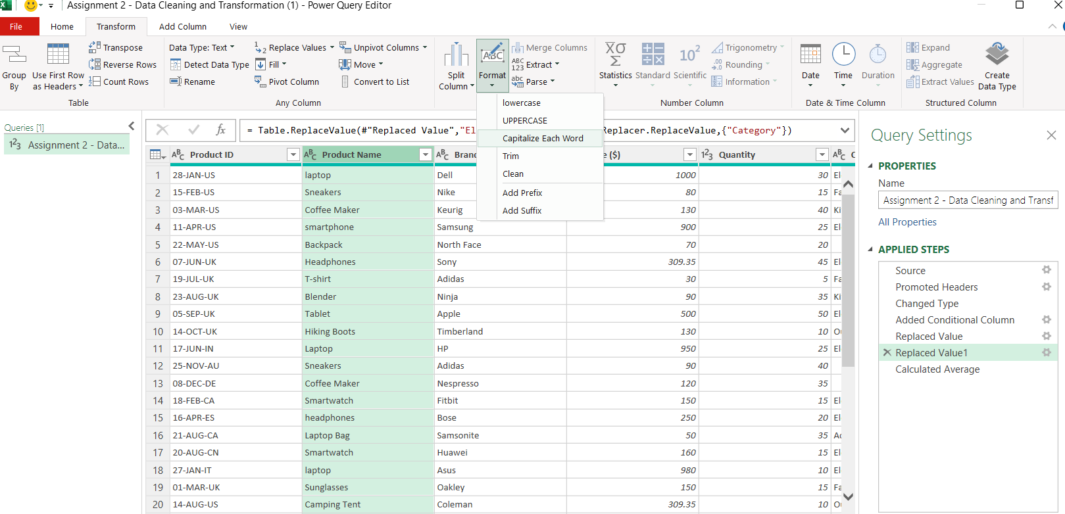
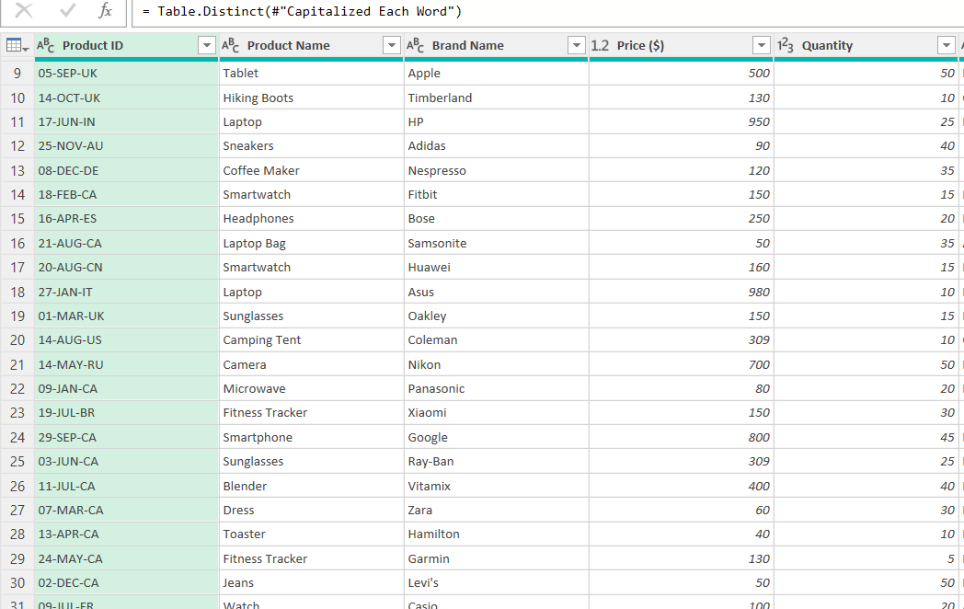
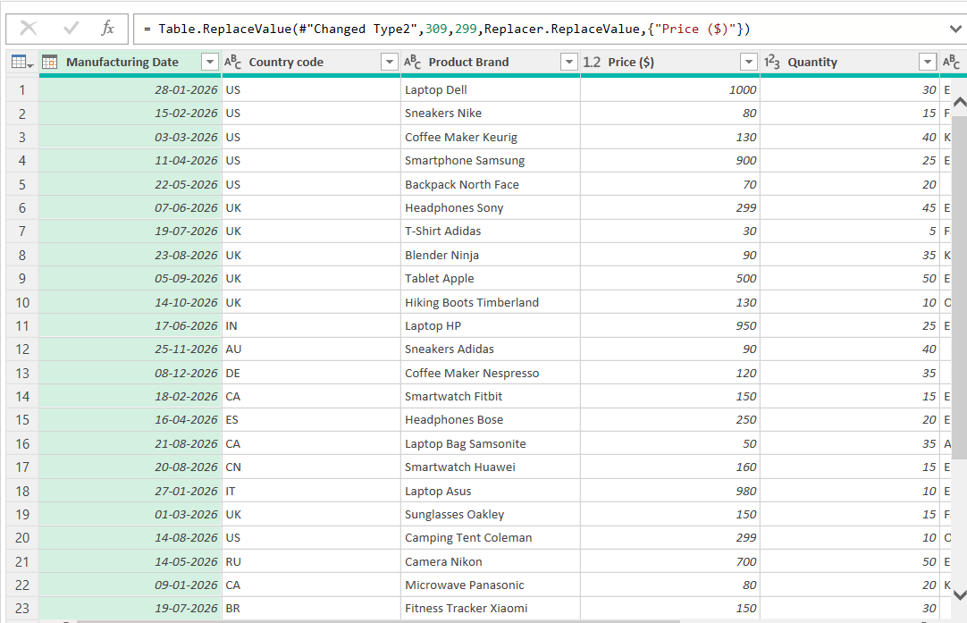
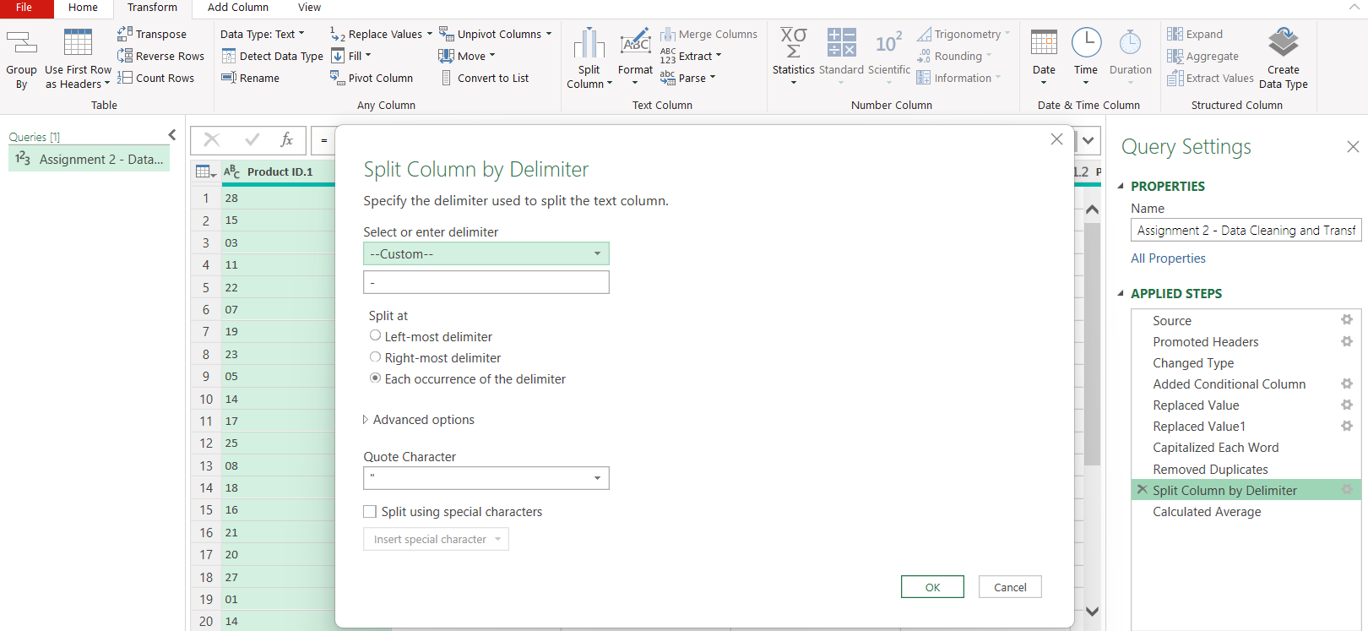
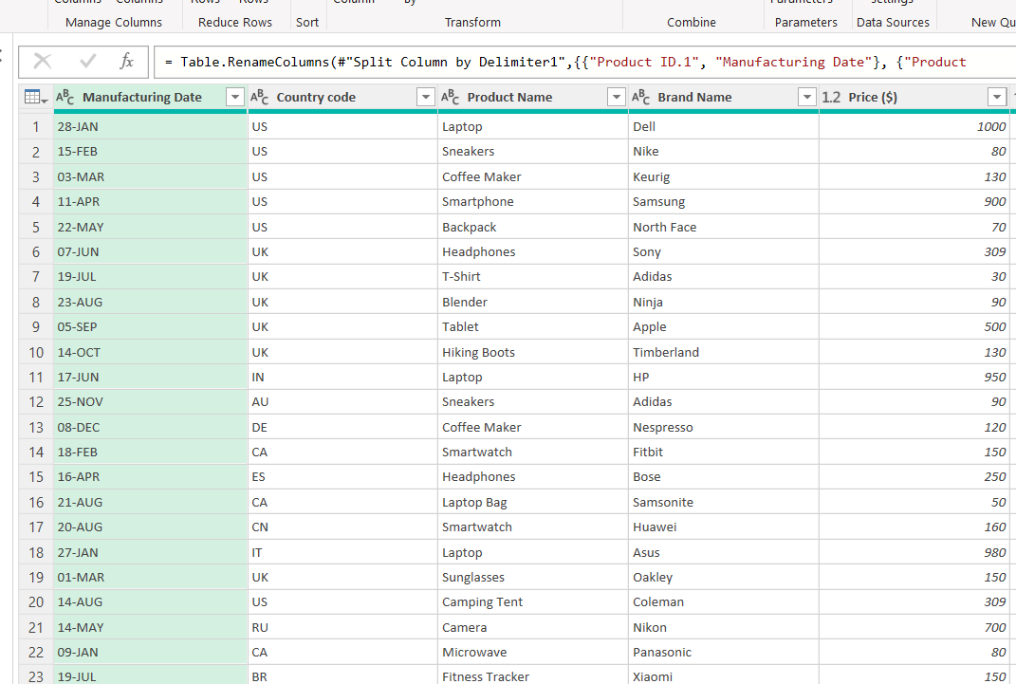
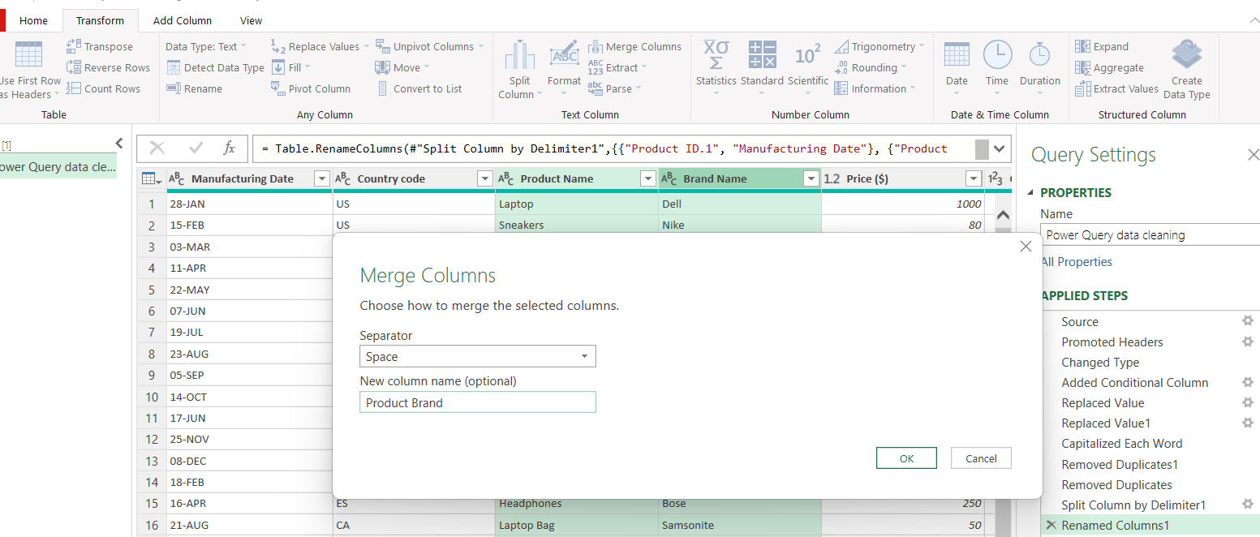
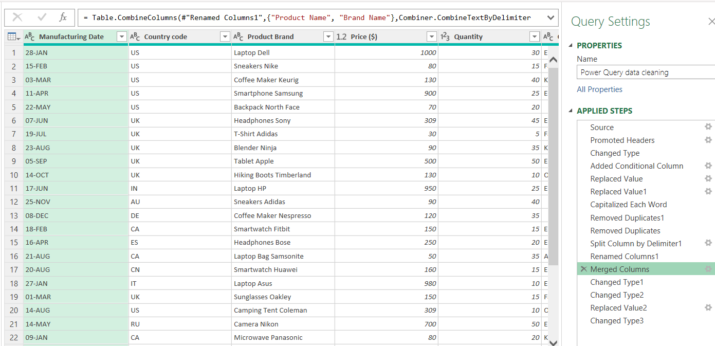
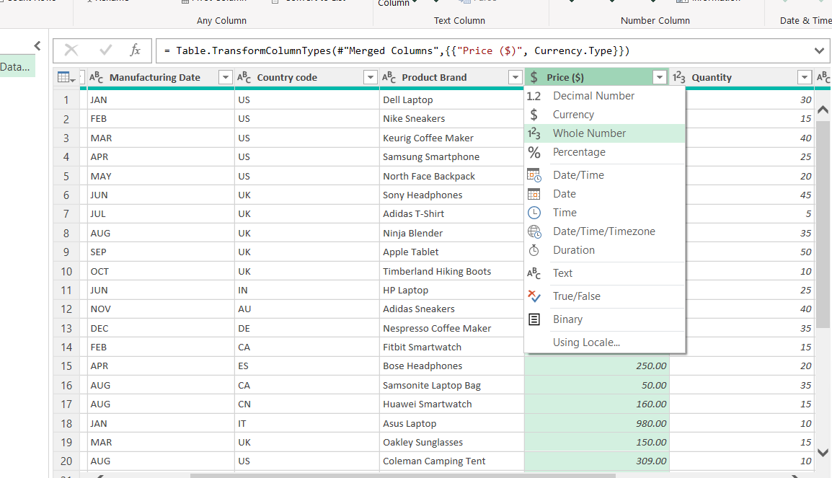
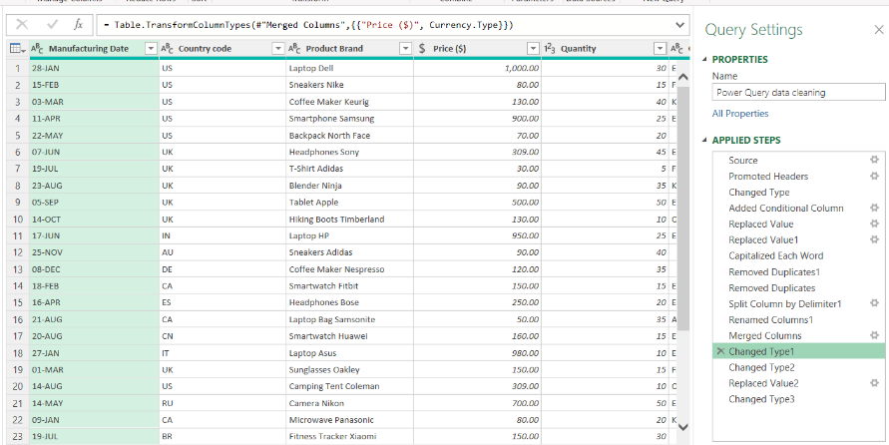
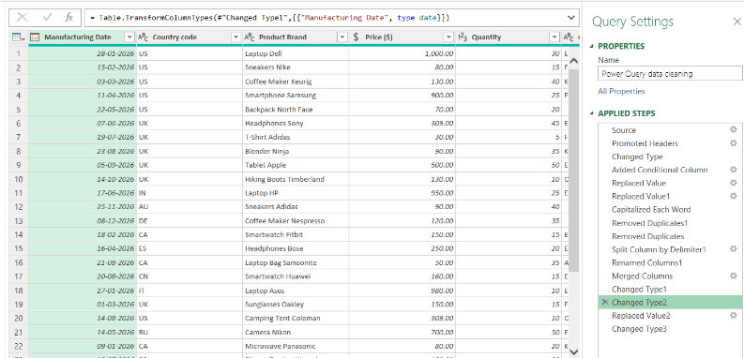
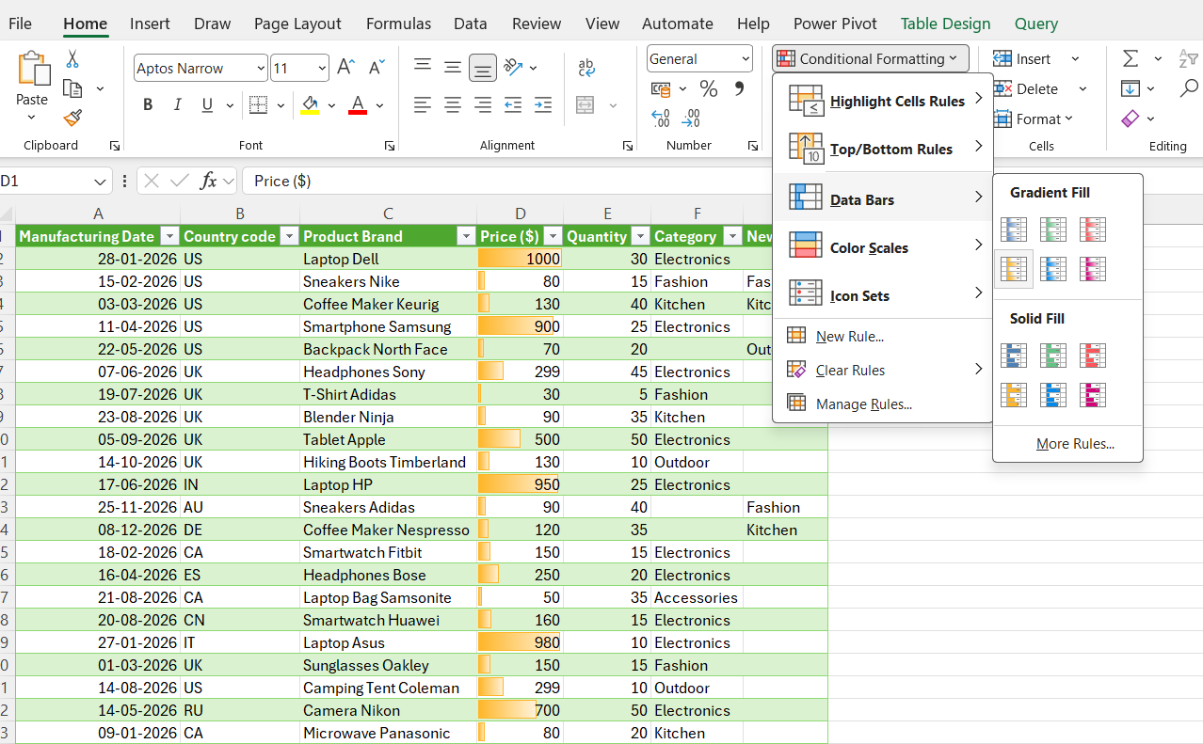
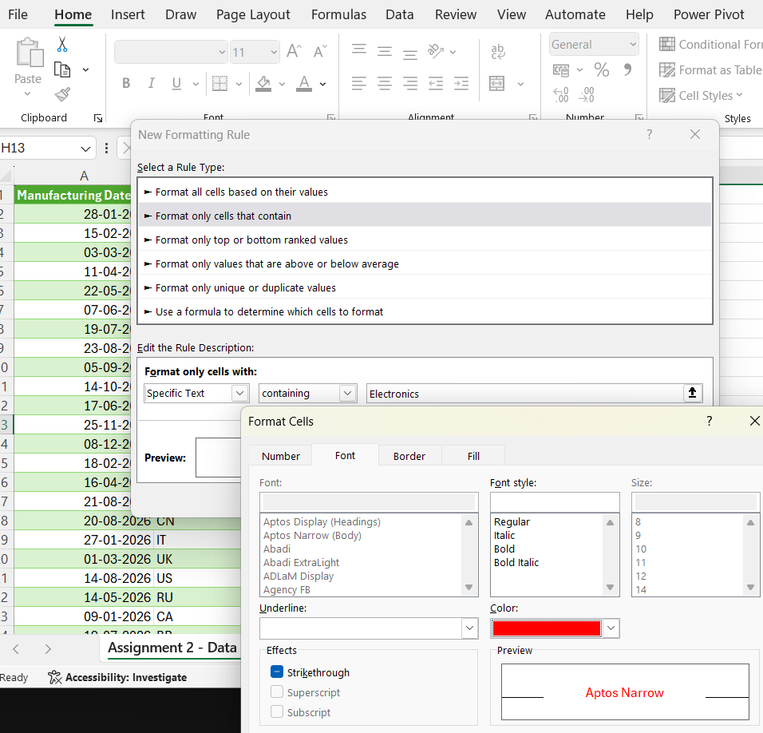
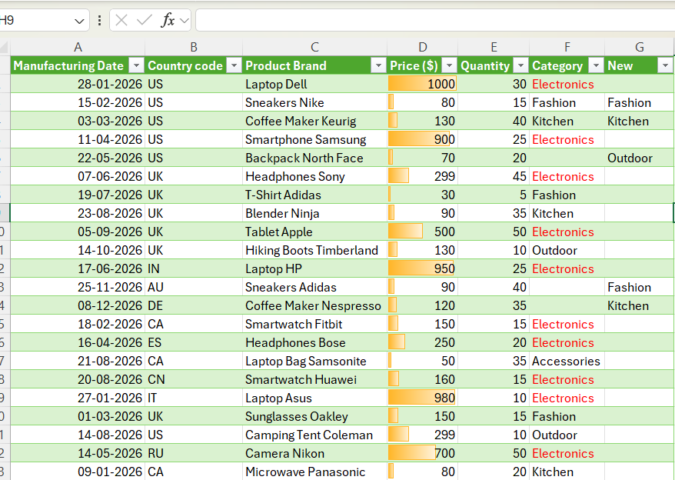
Question 1 : Handling missing values
1)Finding missing values in price column
Steps Performed : - Power query - Select Price column - Click Transform - Statistics - Average -
After taking the average replaced them with the null in price column
2) Finding product with missing categories
Steps : Powery Query - Select categories - Select Add column - Conditional column
Provided Column Name as New , Provided the product name with value and the required output to be displayed
If and else if condition provided as below
New Column created with missing categories based on product name
Question 2: Identifying the typos present in category column
1- There are some columns with the word electroni and it has to be replaced with the work electronics
Steps performed : Select the category column - click on transform tab - Click on replace values tab - In value to find box write the electronic - In replace with box provided the correct name electronics - Select advanced option - check match entire cell contents
The word Electonic has been replaced with Electronics in
2 - Text format has been standardize in Product name - Select the product name column - click on transform - format - Capatalize each word
Question 3 : Removing Duplicates
Totally there were 34 rows and 3 rows were removed as duplicate. After duplicates were removed the average was changed to 299 and before it was 309
Steps - Select the rows - click home tab - Remove rows - Remove duplicate
Question 4 : Spliting and merging data
1 - Split the "Product ID" column into two separate columns for " Manufacturing Date"
and "Country Code".
Steps - Select the product ID - Click Transform - click split column - In split column delimeter tab choose custom and - symbol for delimeter - select each occurence of delimeter
Two colums for Manufacturing Date"and "Country Code" created
2 - Merge the "Brand Name" and "Product Name" columns into one column named "Product Brand".
Steps : Click Tranform tab - click merge column - Select space in seperator and mentioned product brand in column name
Product Brand column created
5. Number Formatting
1 - Format the data type of the "Price" column to a currency format.
Steps performed: Select the Price column - Click on the dollor symbol in price tab - select currency
Formatted to currency format
2 - Format the "Manufacturing Date" column to display dates in the "DD-MM-YYYY "
format.
Steps performed : Select the Manufacturing date column - click on abc named on this column - select date
Format is been displayed in DD-MM-YY
6. Conditional Formatting
1 - Apply data bar or color scales conditional formatting in the "Price" column.
Steps performed - Select the price column - Select conditional formatting from home tab - select data bars and apply the colors
2 - Create a custom rule for conditional formatting in the "Category" column to highlight cells where
the category is "Electronics."
Steps performed : In home - Select conditional formatting - select new rule - Select format only cells that contain - Mention the name electronics rule description with specific text selected - Choose the color
Electronics is Highlighted

